Blad1
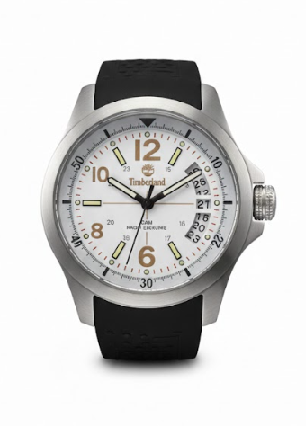
 | Brand | Description | QTY | Retail
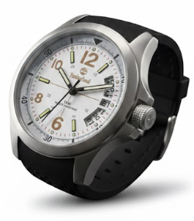 | Timberland | Timberland Mens Watch Stainless Steel, Rubber Strap, Hour, Minute, Seconds, Date (Diameter: 40mm) | 523 | € 159.00
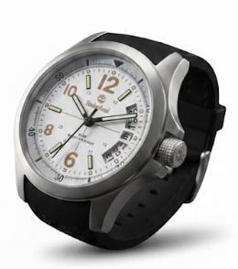 | Timberland | Timberland Ladies Watch Stainless Steel, Rubber Strap, Hour, Minute, Seconds, Date (Diameter: 35mm) | 1,581 | € 159.00
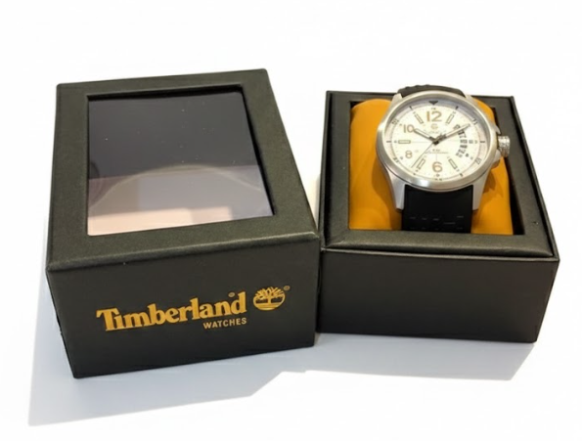
 |  |  | 2,104

